Guide
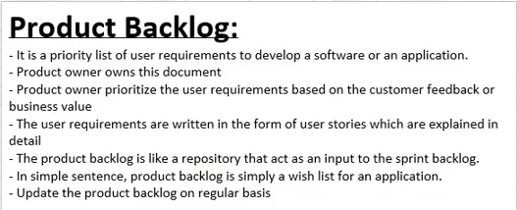

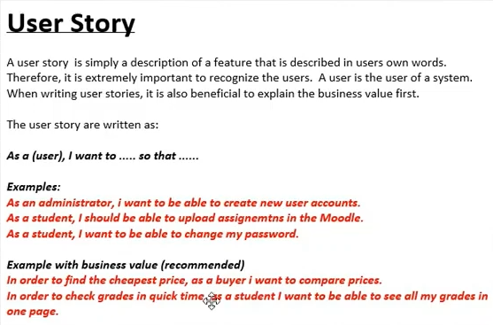

Sprint 1 (viikon mittainen)
Maanantai | Tiistai | Keskiviikko | Torstai | Perjantai | Pidetäänkö 15 min daily scrum päivittäin samaan aikaan?
Sprint planning meeting |  |  |  | Sprint Review & Sprint Retrospective

Sprint_planning_meetings
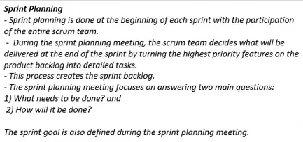
Sprint Planning | Participants
Week 1 (28.3. - 3.4.2022) | Janette Lehto | Toni Nurmi | Erik Kihn
Online | Online | Online | Online
Date done: 22.3.2022
What needs to be done:
How will it be done:

Week 2 (4.4. - 10.4.2022) | Janette Lehto | Toni Nurmi | Erik Kihn
Online | Online | Online | Online
Date done: 4.4.2022
What needs to be done:
How will it be done:

Week 3 | Janette Lehto | Toni Nurmi | Erik Kihn
Online
Date:
What needs to be done:
How will it be done:

Tietokanta taulut, SQL
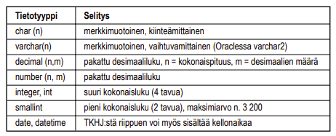
Karkea idea miltä taulut näyttäisi |  |  |  | Alleviivatut on primare keytä

 | Candidate | NOT NULL |  |  | NOT NULL |  |  |  | NOT NULL |  | Admin tunnuksien taulu
 | ID | Surname | First name | Age | Party | Profession | Why are you here? | What do you want? | Vote # | ID | Nimi | Salasana
 | 1 | Duck | Donald | 36 | Socialist | Kumileipä | In my opinion the amount of work an anthropomorphic animal has to do just to live their life normally is way too much. | Something to occupy my feeble mind while I try to avoid working as much as I can. | 313 | 1 | Admin | 1234
 | 2 | McDuck | Scrooge | 75 | Indepentend | Business magnate | I need money | Money | 112
 | 3 | Gander | Gladstone | 38 | Republican | - | I just take part of every competition I can find, I'm so lucky that if I win, I win, and if I lose, I know I dodged a bullet, so it's always a win-win situation for me. | It doesn't matter if I win, as long as Donald (Duck) loses. | 777
 | 4 | Duck | Daisy | 35 | Enviromentalist | TV reporter | Someone needs to do something about the flowers in the middle of the park, they are dying! | My promise is to fix the flowers and then I'll probably resign. | 666
 | 5 | Gearloose | Gyro | 50 | Libertarian | Inventor | My inventions will bring a new brighter future for everyone in Duckburg. | To make the living conditions of your every day citizens easier and more stress free. To automate most of the working places, so that people can roam free daily without selling their souls to faceless corporations. | 314
 | 6 | Mouse | Mickey | 47 | Socialist | Jack-of-all-trades | I am the most reliable person you will ever meet! | I want to be part of recreating the glory of Duckburg that I remember we had when I was just a wee lad. | 420
 | 7 | Mouse | Minnie | 47 | Republican | Barmaid | I feel like no one else gets things done. No one gets things done better than I do, go ask anyone. Ask me for example. | Make Duckburg Great Again | 137
 | 8 | Pluto |  | 8 | Anarchist | Dog | Woof | Woof woof | 100
 | 9 | Duck | Huey, Dewey and Louie | 11 | Pirate party | 3 children in a trenchcoat | We... I mean, I feel like schools give too much homework for us... I mean, the children, and also recess is way too short, it should be over 1 hour long. | Free candy for every children in Duckburg and never having to go to school again! | 333 |  |  |  | Saako olla null arvoja missänä taulun arvoissa? | Yhteydet taulujen välillä?
 | 10 | Goof | G.G. "Goofy" | 61 | Socialist | Comedian | Why is anyone anywhere? What is the point of life? Are we all just puppets here for the entertainment of some greater intergalactic cosmic beign that plays with the lives and minds of the innocent? What was the question? | I don't know, PlayStation 5 or something. | 123 |  |  |  | Perusvain (Primary key , ID?)
 |  |  |  |  |  |  |  |  |  |  |  |  | Viiteavain
 | Answers |  | NOT NULL |  |  |  | Questions | NOT NULL
 | Answer ID | Candidate ID (foreign key) | Question ID (foreign key) | Answer (Integer) | Answer (String) |  | ID | Question
 |  |  |  |  |  |  | 1 | Duckburg, Mouseville and Goosetown should all be combined into one big city.
 |  |  |  |  |  |  | 2 | The roads of Duckburg are in good condition.
 |  |  |  |  |  |  | 3 | The city of Duckburg should add more public transportation options.
 |  |  |  |  |  |  | 4 | Duckburg needs more car repair shops. |  |  |  |  | Esimerkki
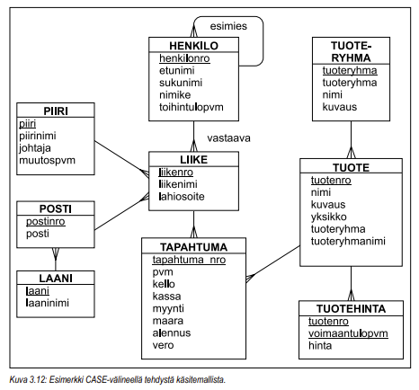
 |  |  |  |  |  |  | 5 | SAMPLE TEXT
 |  |  |  |  |  |  | 6 | Fethry Duck is a menace to society.
 |  |  |  |  |  |  | 7 | Schools should adapt more to the distance education model.
 |  |  |  |  |  |  | 8 | We live in a society.
 |  |  |  |  |  |  | 9 | Scrooge McDuck's Money Bin should be moved away from Duckburg.
 |  |  |  |  |  |  | 10 | I don't agree with this statement.
 |  |  |  |  |  |  | 11 | Somebody once told me the world is gonna roll me.
 |  |  |  |  |  |  | 12 | Duckburg has too many ducks.
 |  |  |  |  |  |  | 13 | Every job in Duckburg should be automated.
 |  |  |  |  |  |  | 14 | The ducks and other birdlike citizens of Duckberg should be able to fly.
 |  |  |  |  |  |  | 15 | Dark chocolate is better than white chocolate.

 |  |  |  |  |  |  |  |  |  |  |  |  | Sarakkeiden määrittäminen

